User manual
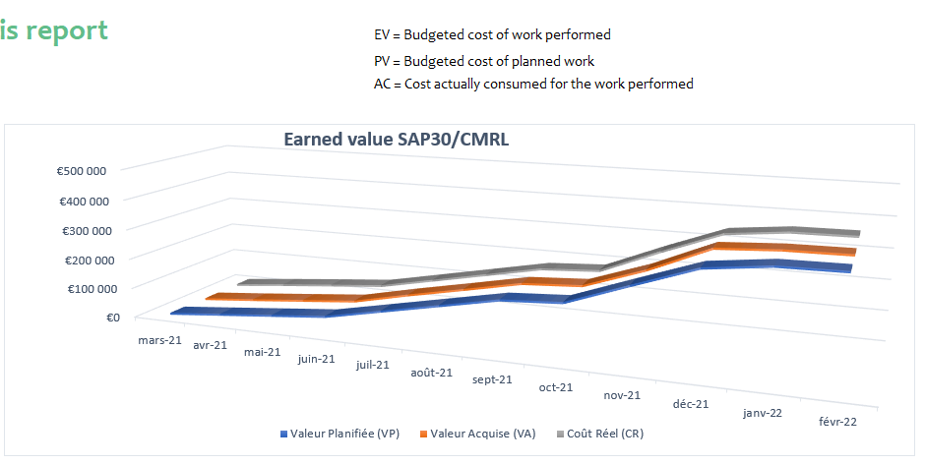
Using the project budget monitoring template

Prerequisites before entering data
In order to control the project performance, you must monitor the scope execution progress, the costs consumed and the schedule. Thus, you'll start filling in the list of project tasks, referring to your project schedule.

To monitor the budget and the schedule, you need to get a grasp of the following concepts:
Actual Cost (AC): | Cost actually consumed for the performed work
Planned Value (PV): | Budgeted cost of planned work
Earned Value (EV): | Budgeted cost of performed work (The cost we were willing to pay for work done to date)
Cost Performance Index (CPI): | Earned value (EV) / Actual cost (AC)
Schedule Performance Index (SPI): | Earned value (EV) / Planned value (PV)
BAC (Budget at Completion) | Budget expected at project completion for each task

1. Go to the "PV" sheet
Fill in the planned value (budgeted cost of scheduled work), for each task, for each month.
The BAC (budget at completion) is the sum of the monthly budgets provided for each task. It is calculated automatically from the data entered

2. Go to the "AC" sheet
Enter the cost actually consumed for each task and for each month.
The actual Cost of the Project to date is calculated automatically

3. Go to the "EV" sheet
Fill in the completion rate for each task per month. Earned value is calculated automatically by multiplying the percentage of completion by the planned budget

4. Go to the "Budget Monitoring" sheet
Here you have a summary of the cumulative values of the project: PV, AC and EV. The analysis of the earned value is illustrated by the graph.
Performance metrics are then calculated automatically

 |  | ← You can change the labels for the periods (e.g. Week 1/2/3, Jan / Feb / Mar, etc.)

 |  | ← Enter or edit the values in the white cells.

 |  | ← To add other tasks, insert lines above this one.

Actual Cost and Earned Value
The cumulative actual cost (AC) and the cumulative earned value (EV) are automatically copied from the "AC" and "EV" sheets and are used to calculate the differences

Project performance metrics
The Cost Variance (CV), Schedule Variance (SV), Cost Performance Indicators (CPI) and Schedule Performance Indicators (SPI) are calculated automatically.

Data graph
The graph for AC, PV and EV is drawn up automatically

Budget monitoring - EV report
 |  |  | Earned value analysis report |  |  |  |  |  | EV = Earned Value or Budgeted cost of work performed
[Project name] |  |  |  |  |  |  |  |  | PV = Planned Value or Budgeted cost of planned work
 |  |  |  |  |  |  |  |  | AC = Cost actually consumed for the work performed

Earned value SAP30/CMRL
 | Prepared by: | Chantal DUPONT
 | Date: | 2022-02-04
 |  | [42]
 | For the period: | Jan-22

Observations:
 | This table represents the final result of the SAP30 / CMRL project. The project benefited from the experience of previous SAP projects and the estimates were found to be accurate in terms of cost and earned value. A slight increase in the needs for corrections in Master Data was estimated by the concerned departments, but it didn't influence the budget. This is why the curves are consistent between the Planned and the Actual.

 |  |  | Mar-21 | Apr-21 | May-21 | Jun-21 | Jul-21 | Aug-21 | Sep-21 | Oct-21 | Nov-21 | Dec-21 | Jan-22 | Feb-22

Summary of AC, PV, EV and BAC values

 |  | Cumulative actual cost (ACC) | 4,000 € | 22,000 € | 39,000 € | 55,500 € | 93,500 € | 131,500 € | 169,500 € | 181,000 € | 261,000 € | 335,000 € | 355,000 € | 357,000 €
 |  | Cumulative earned value (CEV) | 3,000 € | 18,880 € | 35,760 € | 53,000 € | 93,660 € | 131,320 € | 170,000 € | 181,500 € | 248,800 € | 333,000 € | 344,000 € | 346,000 €
 |  | Cumulative Planned Value (CPV) | 5,000 € | 22,000 € | 39,000 € | 56,000 € | 94,000 € | 132,000 € | 170,000 € | 181,500 € | 252,000 € | 321,000 € | 344,000 € | 346,000 €
 |  | Budget at completion (BAC) | 346,000 €

Project performance metrics

 |  | Cost Variance (CV = EV - AC) | -1000 | -3120 | -3240 | -2500 | 160 | -180 | 500 | 500 | -12200 | -2000 | -11000 | -11000
 |  | Schedule Variance (SV = EV - PV) | -2000 | -3120 | -3240 | -3000 | -340 | -680 | 0 | 0 | -3200 | 12000 | 0 | 0
 |  | Cost Performance Indicator (IPC = EV / AC) | 0.75 | 0.86 | 0.92 | 0.95 | 1.00 | 1.00 | 1.00 | 1.00 | 0.95 | 0.99 | 0.97 | 0.97
 |  | Schedule Performance Indicator (SPI = EV / PV) | 0.60 | 0.86 | 0.92 | 0.95 | 1.00 | 0.99 | 1.00 | 1.00 | 0.99 | 1.04 | 1.00 | 1.00
 |  | Estimated Final Cost (EFC) = BAC / IPC | 461,333 | 403,178 | 377,349 | 362,321 | 345,409 | 346,474 | 344,982 | 345,047 | 362,966 | 348,078 | 357,064 | 357,000

 | If IPC <1, then the budget is over-consumed
 | If IPC > 1, then the budget is under-consumed

